1. Title Page
Basket Analysis

Project Name: Instacart Basket Analysis
Date:4.30.23
Analyst Name: Stafford Reece

Contents:
Population Flow
Consistency checks
Wrangling steps
Column derivations
Visualizations
Recommendations

2. Population Flow
 |  |  | Title page

Population flow

Exclusion flag
Condition: max_order <
Obervations to be removed:
Final total count of order_products_all:

Orders_products_combined
Orders_products_merged
Orders_products_all

Total:
Total:
Total:
1048576 | 1048576 | 1048576

1.) The grey boxes in the first row of the population flow represent the original data sets as they were when you downloaded them. In the Total fields you need to add the count of the rows when you imported the data set into Jupyter.
2.) The second row of boxes (coloured) represents the data sets after you manipulated them, e.g., removed missing values and duplicates. In the Total fields you need to add the count of the rows after conducting these operations. This offers a visual oveview of how the data flows throughout the data consistency checks.
3.) The third row, where also the arrows are coloured, represents the merges you performed between the datasets. In the Total fields you need to add the count of the rows in the merged datasets, so that you end up with the final dataset (in the red box). Keep in mind the final dataset should be without exclusions (based on the exclusion flag).

3. Consistency checks
 |  |  |  | Title page
Consistency checks

Dataset | Missing values | Missing values treatment | Duplicates
orders | 24000 | isnull, describe, crosstab | yes
products | 16 | isnull, describe, crosstab | yes
orders_products_prior | yes | isnull, describe, crosstab | yes
customers | no | isnull, describe, crosstab | yes

4. Wrangling steps
 |  |  |  | Title page
Wrangling steps

Columns dropped | Columns renamed | Columns' type changed | Comment/Reason
eval set | changed names from STATE to state, Age to age, and updated the first and last name |  | created consistenc in naming conventions
drop duplicates |  |  | no need for duplicative data
dropna |  |  | used to clear out duplicative data
unamed: 0 | dropped |  | not necessary for final product
unamed: 0.1 | dropped |  | not necessary for final product

5. Column derivations
 |  |  |  | Title page

Column derivations and aggregations

In this tab you should add tables below that the frequences of flags/label variables that you produced after deriving them. NB: don't do this for continuous variables, only for flags.
Dataset | New column | Column/s it was derived from | Conditions
 |  |  | # Task 5. Creating customer profiles
final_customer.pkl | # Age Flag | age | # Age Flag
 |  |  | age_flag = []
 |  |  | for row in customer['Age'].tolist():
 |  |  | if row <= 25:
 |  |  | age_flag.append('Young')
 |  |  | elif row > 25 and row < 60:
 |  |  | age_flag.append('Middle-aged')
 |  |  | elif row >= 60:
 |  |  | age_flag.append('Senior')
 |  |  | else:
 |  |  | print('Weird value:', row)

final_customer.pkl | # Income flag | income | # Income flag
 |  |  | income_flag = []
 |  |  | for row in customer['income'].tolist():
 |  |  | if row < 40000:
 |  |  | income_flag.append('Low-income')
 |  |  | elif row >= 40000 and row < 100000:
 |  |  | income_flag.append('Mid-income')
 |  |  | elif row >= 100000:
 |  |  | income_flag.append('High-income')
 |  |  | else:
 |  |  | print('Weird value:', row)

 |  |  | # single adult or young parent flag
final_customer.pkl | child_flag = [] | n_dependants | child_flag = []
 |  |  | for row in customer['n_dependants'].tolist():
 |  |  | if row == 0:
 |  |  | child_flag.append('Single Adult')
 |  |  | elif row > 0:
 |  |  | child_flag.append('Parent')
 |  |  | else:
 |  |  | print('Weird value:', row)

orders_products_merged_aggregated.pkl | busiest_period | orders_day_of_week | result = []

 |  |  | for value in df_ords_prodsv1["orders_day_of_week"]:
 |  |  | if value in [0, 1]:
 |  |  | result.append('Busiest days')
 |  |  | elif value in [4, 5]:
 |  |  | result.append('Least Busiest days')
 |  |  | else:
 |  |  | result.append('Regularly busy')

orders_products_merged_aggregated.pkl | average orders | order_hour_of_day | for value in df_ords_prodsv1["order_hour_of_day"]:
 |  |  | if value in range(6, 11):
 |  |  | result.append('Most orders')
 |  |  | elif value in range(11, 17):
 |  |  | result.append('Average orders')
 |  |  | elif value in range(17, 22):
 |  |  | result.append('Fewest orders')
 |  |  | else:
 |  |  | result.append('Most orders')
orders_products_merged_aggregated.pkl | loyalty_flag | max_order | df_ords_prods_merged.loc[df_ords_prods_merged['max_order'] > 40, 'loyalty_flag'] = 'Loyal customer'
 | loyalty_flag | max_order | df_ords_prods_merged.loc[(df_ords_prods_merged['max_order'] <= 40) & (df_ords_prods_merged['max_order'] > 10), 'loyalty_flag'] = 'Regular customer'
 | loyalty_flag | max_order | df_ords_prods_merged.loc[df_ords_prods_merged['max_order'] <= 10, 'loyalty_flag'] = 'New customer'

orders_products_merged_aggregated.pkl | avg_price | price | df_ords_prods_merged['avg_price'] = df_ords_prods_merged.groupby(['user_id'])['prices'].transform(np.mean)
 | avg_price | price | df_ords_prods_merged.loc[df_ords_prods_merged['avg_price'] >= 10, 'spending_flag'] = 'High spender'
 | avg_price | price | df_ords_prods_merged.loc[df_ords_prods_merged['avg_price'] < 10, 'spending_flag'] = 'Low spender'

6. Visualizations
 |  |  |  |  | Title page

Visualisations

In this tab you should include all the visualtions from Exercises 4.9 and 4.10, alongside the questions from the project brief that they answer. Include any commentary on the relationship between different variables.

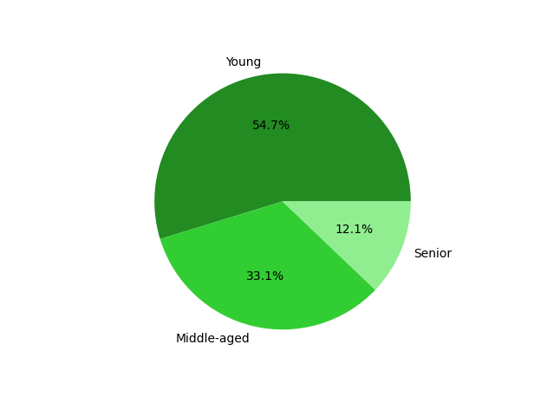
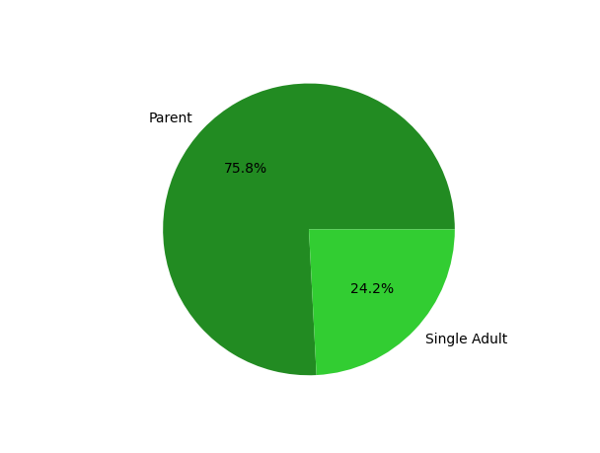

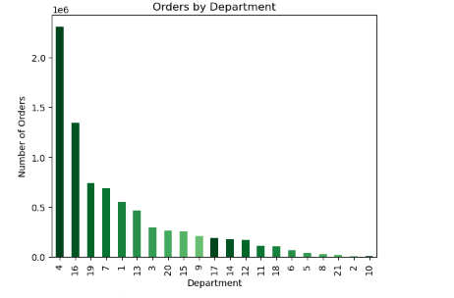

C:\Users\reece\InstaCart Basket Analysis 4.4.23\Data\Visualizations\age_profiles_pie.png |  | C:\Users\reece\InstaCart Basket Analysis 4.4.23\Data\Visualizations\child_profiles_pie.png |  |  |  | C:\Users\reece\InstaCart Basket Analysis 4.4.23\Data\Visualizations\orders_by_department.png

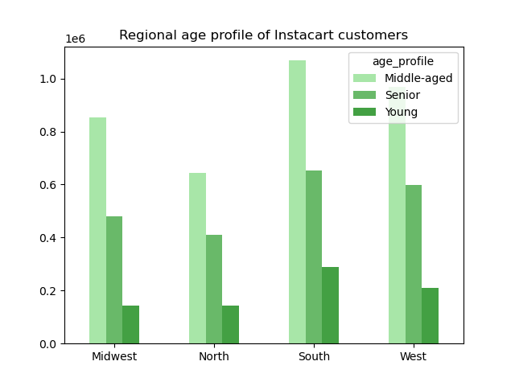
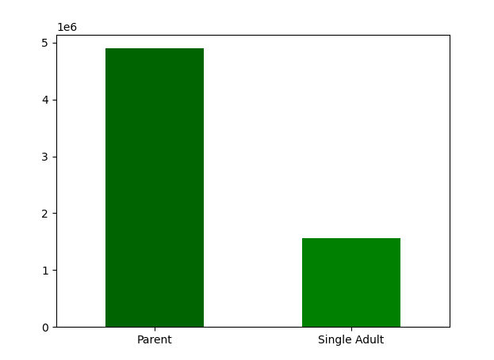
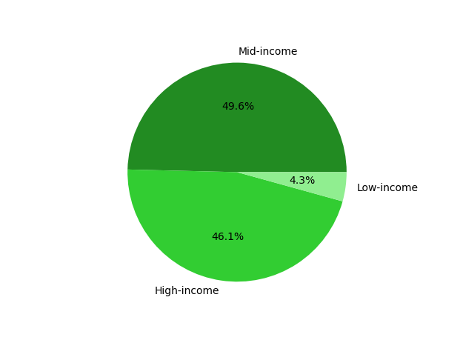

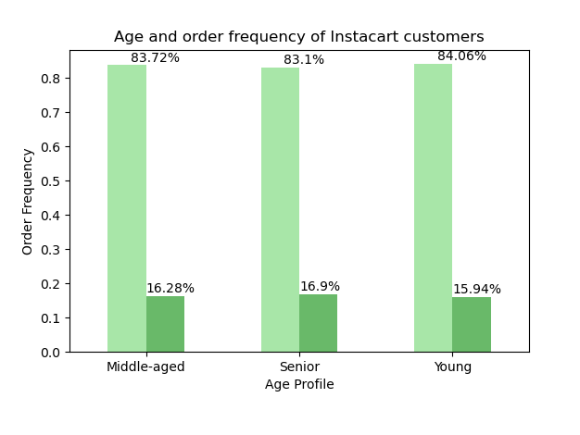
C:\Users\reece\InstaCart Basket Analysis 4.4.23\Data\Visualizations\family_profile_distribution.png |  | C:\Users\reece\InstaCart Basket Analysis 4.4.23\Data\Visualizations\income_files_pie.png |  |  |  | C:\Users\reece\InstaCart Basket Analysis 4.4.23\Data\Visualizations\regional_age_distribution_bar.png

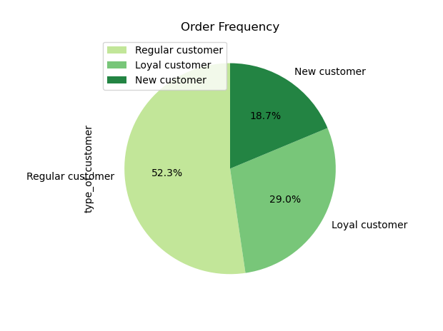
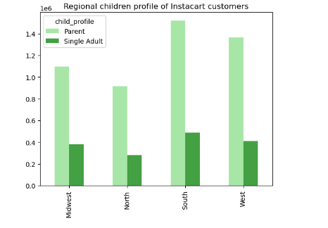

 |  |  |  |  |  | C:\Users\reece\InstaCart Basket Analysis 4.4.23\Data\Visualizations\regional_children_profile_of_instacart_customers.png
 | C:\Users\reece\InstaCart Basket Analysis 4.4.23\Data\Visualizations\order_frequency.png | C:\Users\reece\InstaCart Basket Analysis 4.4.23\Data\Visualizations\age_order_frequency.png

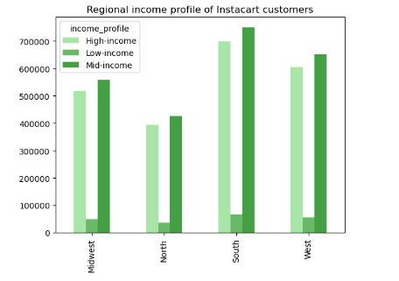
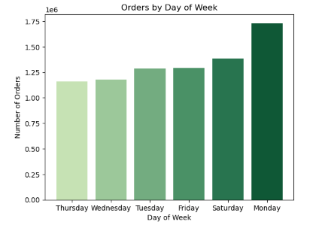

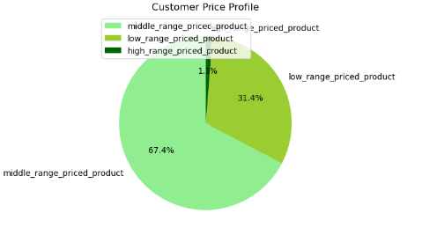

 | C:\Users\reece\InstaCart Basket Analysis 4.4.23\Data\Visualizations\customer_price_profile.png |  | C:\Users\reece\InstaCart Basket Analysis 4.4.23\Data\Visualizations\orders_by_day_of_week.png |  |  |  | C:\Users\reece\InstaCart Basket Analysis 4.4.23\Data\Visualizations\regional_income_profile_of_instacart_customers.png
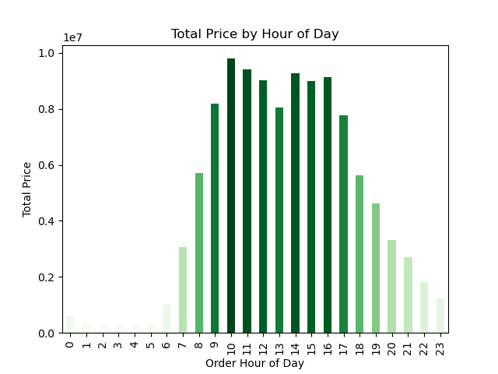


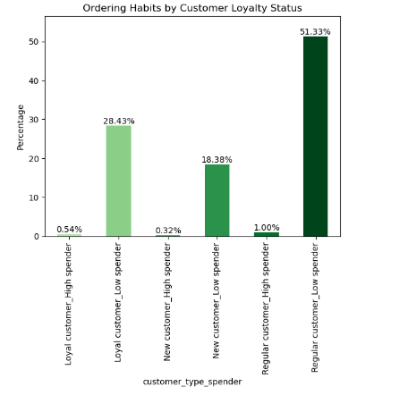

 | C:\Users\reece\InstaCart Basket Analysis 4.4.23\Data\Visualizations\order_habits_by_customer_loyalty_status.png |  |  | C:\Users\reece\InstaCart Basket Analysis 4.4.23\Data\Visualizations\total_price_by_hour_of_day.png |  |  |  | C:\Users\reece\InstaCart Basket Analysis 4.4.23\Data\Visualizations\regional_children_profile_of_instacart_customers.png

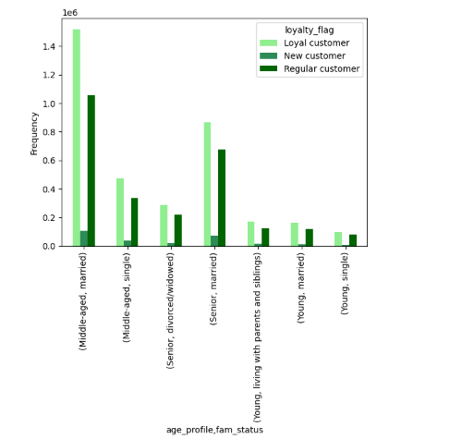
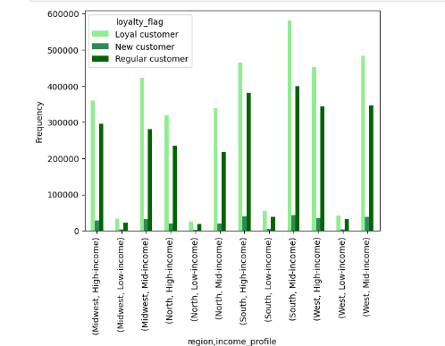

 |  |  |  | C:\Users\reece\InstaCart Basket Analysis 4.4.23\Data\Visualizations\age_profile_fam_status.png

 | C:\Users\reece\InstaCart Basket Analysis 4.4.23\Data\Visualizations\regional_comparison_of_income_profile_and_spending_and_loyalty.pn.png

7. Recommendations
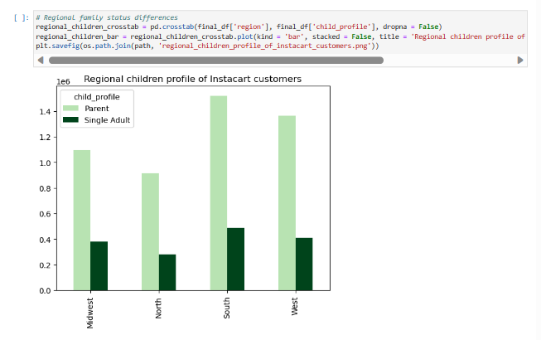
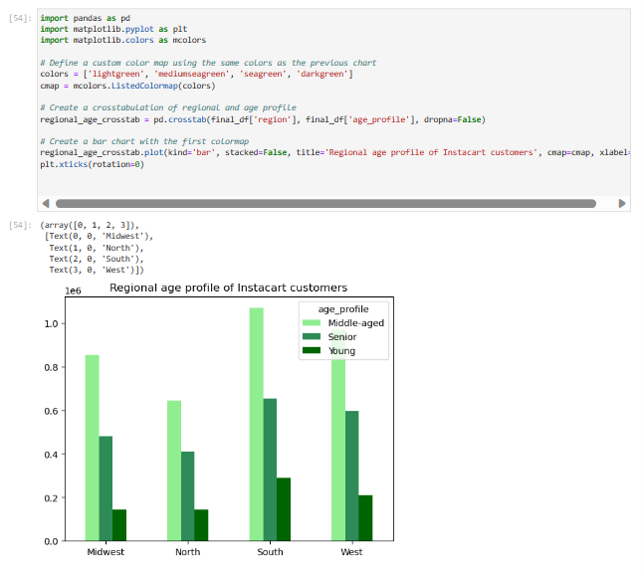
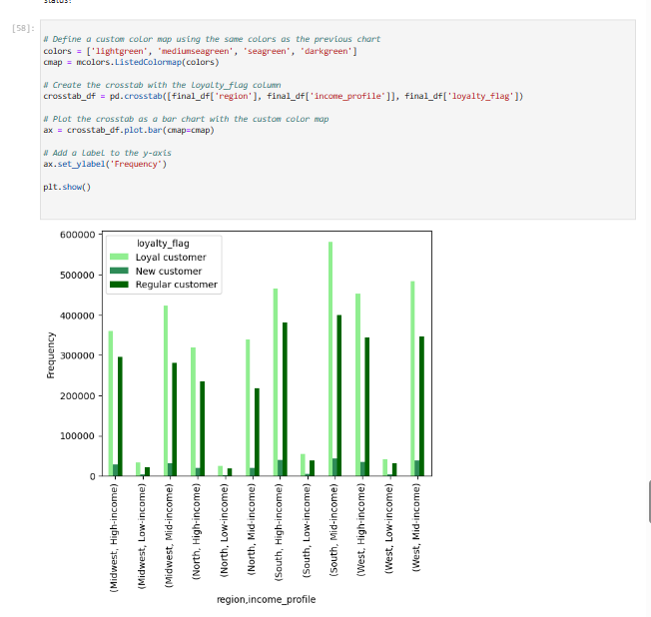
 |  |  |  |  | Title page

Recommendations

In this tab you should include any recommendations you would made to Instcart in terms of their marketing strategy based on the questions posed in the brief. Every key question has been covered in the Tasks of the Exercises - here you need to add an item - a visualisation or table/crosstable that is showing the answer in the data, acompanied by a comment from you. Please, list the questions below and add the answer underneath.

Question |  | Answer
Key Question 1 | The sales team needs to know what the busiest days of the week and hours of the day are (i.e., the days and times with the most orders) in order to schedule ads at times when there are fewer orders.
Key Question 2 | They also want to know whether there are particular times of the day when people spend the most money, as this might inform the type of products they advertise at these times.
Key Question 3 | Instacart has a lot of products with different price tags. Marketing and sales want to use simpler price range groupings to help direct their efforts.
Key Question 4 | Are there certain types of products that are more popular than others? The marketing and sales teams want to know which departments have the highest frequency of product orders.
Key Question 5 | What’s the distribution among users in regards to their brand loyalty (i.e., how often do they return to Instacart)?
Key Question 6 | Are there differences in ordering habits based on a customer’s loyalty status?
Key Question 7 | Are there differences in ordering habits based on a customer’s region?
Key Question 8 | Is there a connection between age and family status in terms of ordering habits?
Key Question 9 | What different classifications does the demographic information suggest? Age? Income? Certain types of goods? Family status?
Key Question 10 | What differences can you find in ordering habits of different customer profiles? Consider the price of orders, the frequency of orders, the products customers are ordering, and anything else you can think of

Question
Key Question 1 | The sales team needs to know what the busiest days of the week and hours of the day are (i.e., the days and times with the most orders) in order to schedule ads at times when there are fewer orders.
Answer
The Orders by Day of Week bar chart clearly illustraces the least to most busy days. Monday has the most orders and Thursday has the lease amout of orders

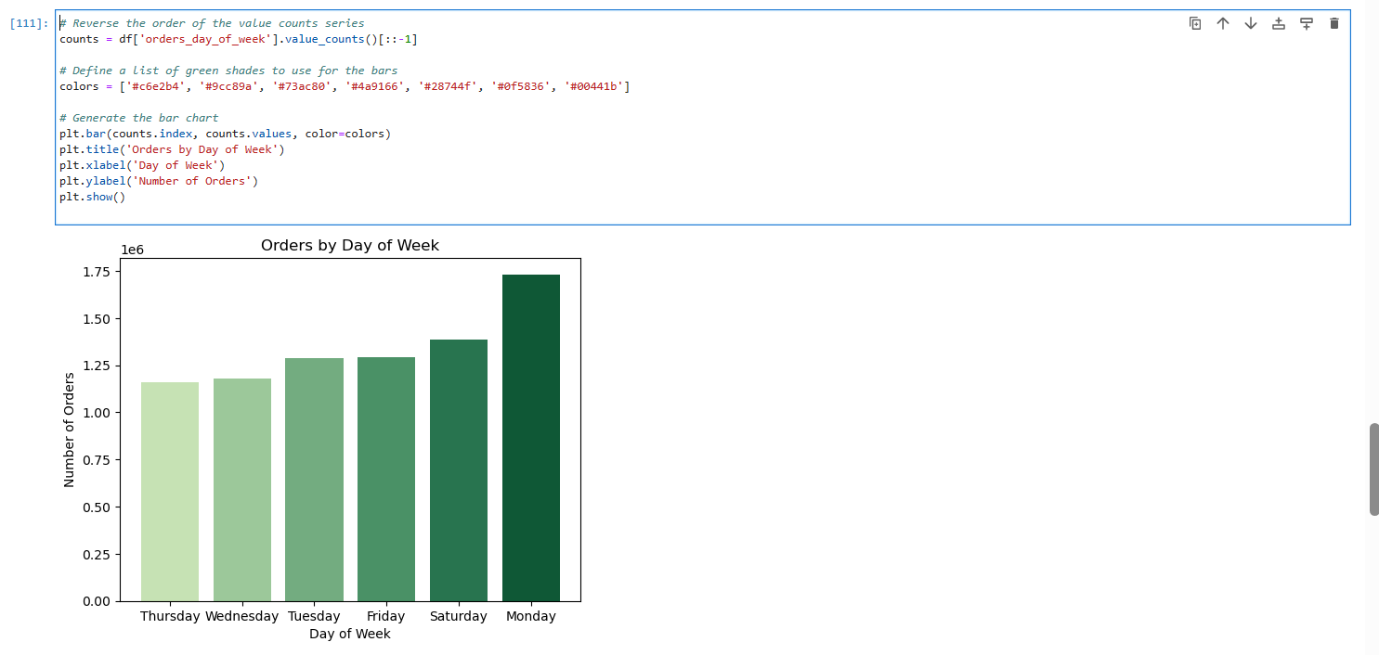

Key Question 2 | They also want to know whether there are particular times of the day when people spend the most money, as this might inform the type of products they advertise at these times.
Answer
 | This histogram chart helps to illustrate the busiest hours in the day. It appears to have a double top where 9am - 10 am most busy but also 2pm -3pm

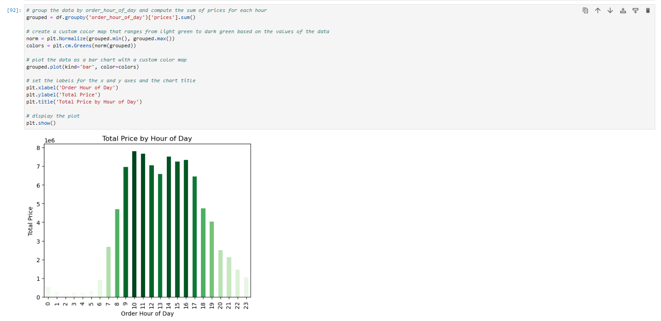

Key Question 3 | Instacart has a lot of products with different price tags. Marketing and sales want to use simpler price range groupings to help direct their efforts.
 | The customer price profile pie chart helps to illustrate that insta cart that most of its orders are in the middle range price products and then low range. In total those 2 categories comprise 98% of insta carts basket of goods.

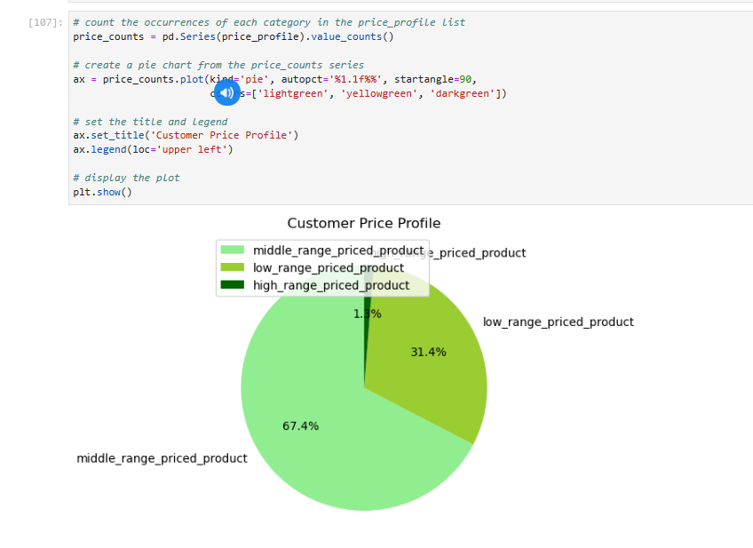

Key Question 4 | Are there certain types of products that are more popular than others? The marketing and sales teams want to know which departments have the highest frequency of product orders.
Answer:
This histogram or bar chart states that alchol, personal care, deli are the top three most popular departments, with alcohol being bar far the most frequently ordered product.

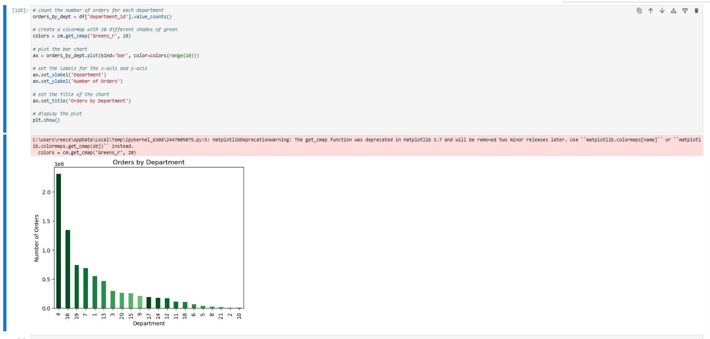

Key Question 5 | What’s the distribution among users in regards to their brand loyalty (i.e., how often do they return to Instacart)?
Answer:
Half of instacarts customers comprise regular customers, and almost 30% of there customers are considered loyal. Almost 80% of Instacarts clients are considered regular to loyal.
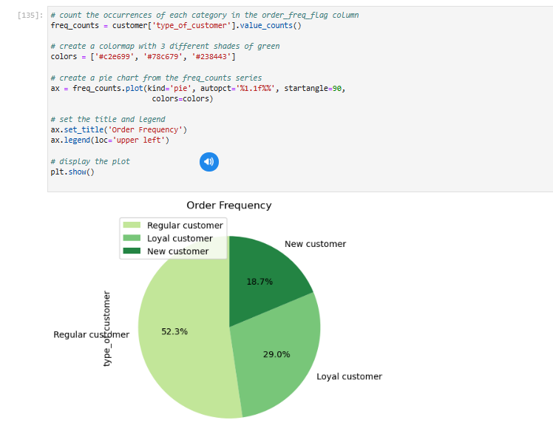

Key Question 6 | Are there differences in ordering habits based on a customer’s loyalty status?
Answer:
most of instacart customers fall into the bucket of low spender regardless if they are considered a new, regular or loyal customer, this tells me that most of instacarts customers are price sensitive. I believe Instacart already understands this because there basket of goods is mostly low to regular priced goods. Maybe instacart should increase the amount of low price goods in there offering.

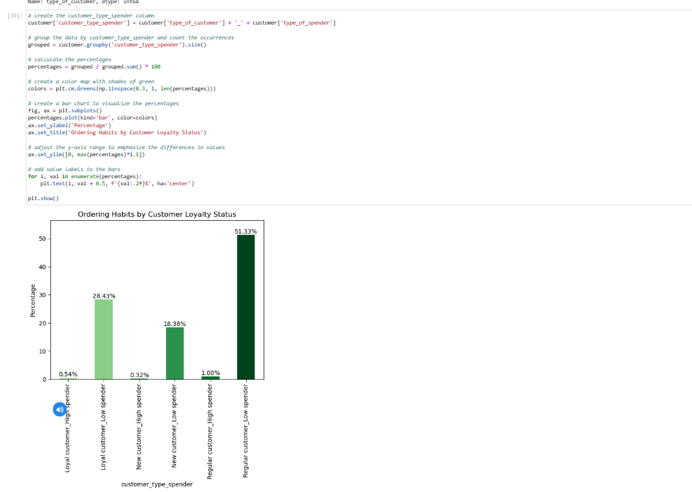

Key Question 7 | Are there differences in ordering habits based on a customer’s region?
Answer:
The income distribution across regions lookos very similar, but in general mostt of there customers would be considered middle income. |  |  |  | The age and income comparison helps to visualize that most of insta carts loyal customers middle aged mid to high income, as well as there regular customers are grouped similar too.
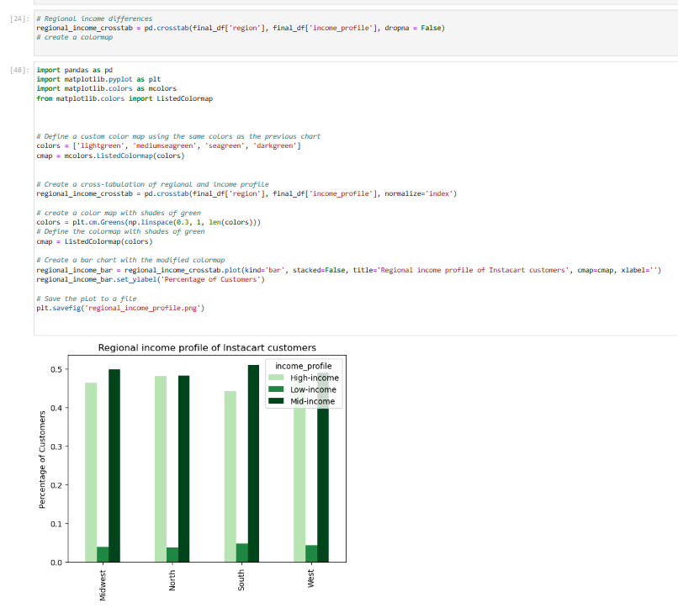
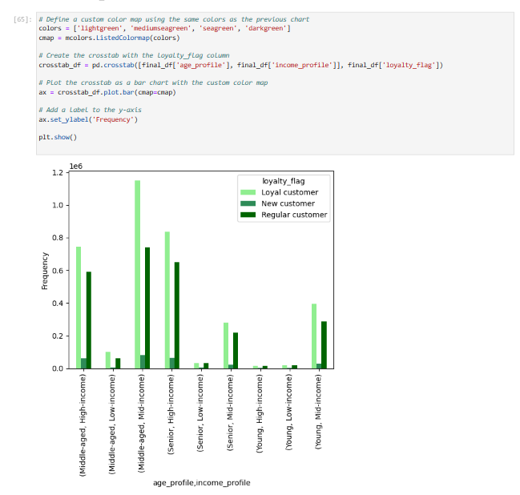

Key Question 8 | Is there a connection between age and family status in terms of ordering habits?
Yes there is a connection middle aged and maried and senior and maried have the largest groupings in all three loyalty flags. Insta cart should focus resources on middle aged to senior married couples because they seem to have mid to high income and are considred regular to loyal customers.

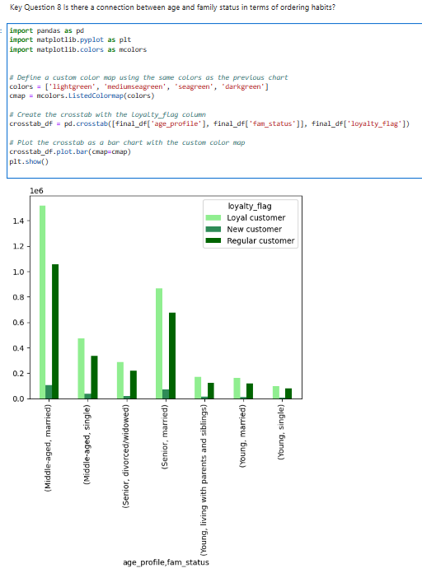

Key Question 9 | What different classifications does the demographic information suggest? Age? Income? Certain types of goods? Family status?
Answer
The southern and western regions appear to have a larger proportion of high to mid income. |  |  | The South and West region have a large propportion of middle aged to senior customers these are Insta carts key demographics in terms of spending habits so Instacart should focus on the South and Western regions.
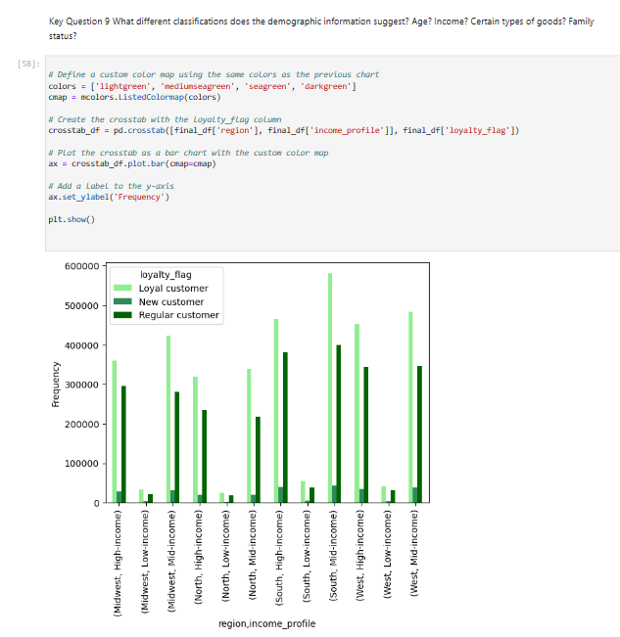

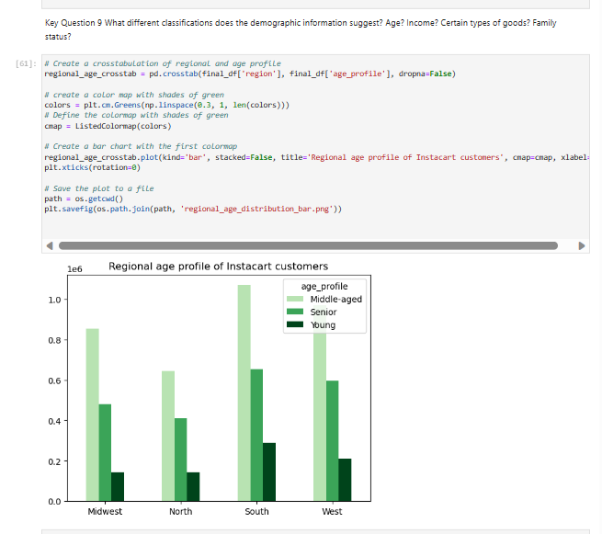

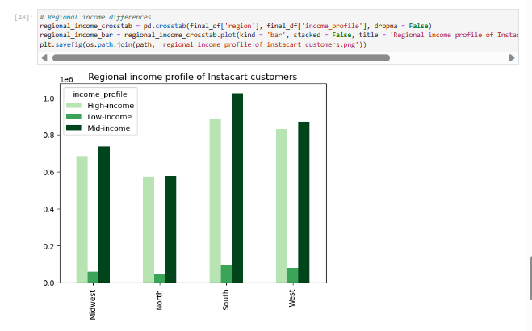

Key Question 10 | What differences can you find in ordering habits of different customer profiles? Consider the price of orders, the frequency of orders, the products customers are ordering, and anything else you can think of
The younger you are and if your single the less income you may have, and the less likelihood of you being considered a loyal to regular customer. This makes sense because typically married couples have more income because of the 2 sets of income, plus people with children typically spend more money on grocercies because there in a family and spend less on going out especially if kids are younger.

